Interest in Free Trial
 | Gender | Gender
Nah, I'd prefer reading reviews first | 2
Nope, not interested | 3
Yay for a discounted first month | 5 | 4
Yes, a free trial sounds good! | 16 | 15
COUNTA of Age | Gender
Interest in Free Trail | Female | Male | Grand Total
Nah, I'd prefer reading reviews first | 2 |  | 2
Nope, not interested | 3 |  | 3
Yay for a discounted first month | 5 | 4 | 9
Yes, a free trial sounds good! | 16 | 15 | 31
Grand Total | 26 | 19 | 45

A majority of respondents (69%) prefer a free trial for SnackPassport, with a nearly even distribution between female (16) and male (15) participants. This indicates a strong demand for a risk-free way to experience the product before committing. Furthuremore, 20% of respondents favor a discounted first month, suggesting that while most prefer a completely free option, a discounted introductory offer could still appeal to a smaller segment. Only 7% of respondents are not interested in a trial at all, and 4% prefer to read reviews first, showing that hesitation is relatively low but could be addressed through trust-building strategies. From a marketing and business perspective, offering a free trial could be a powerful tool to drive customer acquisition, especially since both genders show nearly equal enthusiasm for it. Additionally, a secondary discounted-first-month option could help capture the remaining interested audience. To convert skeptical customers, SnackPassport could leverage customer testimonials, influencer partnerships, or user-generated content to provide credibility and reduce doubts. Since only a small fraction of respondents (5 total) are hesitant, the focus should remain on optimizing and promoting the free trial offer as the primary acquisition strategy.

Preferred Purchase Method
 | Purchase Method | Purchase Method | Purchase Method
Delivery | 12 | 3 | 12
In-store Pickup | 15 |  | 3
COUNTA of Age | Purchase Method
Delivery Method | In-store | Mobile Application | Online | Grand Total
Delivery | 12 | 3 | 12 | 27
In-store Pickup | 15 |  | 3 | 18
Grand Total | 27 | 3 | 15 | 45

This area examines how respondents prefer to purchase and receive their snacks, categorizing their choices by in-store, mobile application, and online purchases, as well as their preferred delivery method or in-store pickup. Key Insights: • Delivery is the dominant choice, with 27 out of 45 respondents (60%) preferring it over in-store pickup. • In-store purchases are the most common purchase method (27 respondents), with 12 opting for delivery and 15 choosing in-store pickup. • Online purchases account for 15 respondents, all of whom prefer delivery (12) over in-store pickup (3). • Mobile applications have the lowest adoption rate, with only 3 respondents using them, all for delivery. • From a business and marketing standpoint, these findings suggest that in-store purchases remain popular, but delivery is a key priority for consumers.

Given the low engagement with mobile applications (only 3 users), there is an opportunity to improve mobile app awareness and functionality to attract more users. Additionally, since online purchases are mainly linked to delivery, SnackPassport should focus on optimizing its e-commerce and logistics operations to ensure a smooth delivery experience. To increase customer convenience, strategies like in-store promotions for delivery services or incentives for mobile app purchases could help drive engagement across different platforms.

Preferred Delivery Method
COUNTA of Age | Delivery Method
Purchase Method | Delivery | In-store Pickup | Grand Total
In-store | 12 | 15 | 27
Mobile Application | 3 |  | 3
Online | 12 | 3 | 15
Grand Total | 27 | 18 | 45

This section details whether respondents prefer home delivery or in-store pickup, Delivery is the winner! • 27 out of 45 respondents (60%) prefer delivery. • The most common delivery methods are online purchases (12 respondents) and in-store purchases (12 respondents). • Only 3 respondents used a mobile application for delivery, highlighting an area for potential growth. In-Store Pickup remains significant. • 18 out of 45 respondents (40%) prefer in-store pickup. • The majority of these respondents (15 out of 18) purchased in-store. • Only 3 respondents ordered online for in-store pickup, suggesting that online-to-store fulfillment is not widely used. Mobile Application Usage is Low. • Across all categories, only 3 people used a mobile application. • There is a significant opportunity to increase mobile adoption through app-exclusive deals or rewards.

Snack Consumption by Gender
 | Snack Consumption Frequency | Snack Consumption Frequency | Snack Consumption Frequency | Snack Consumption Frequency | Snack Consumption Frequency
Female | 1 | 11 |  | 4 | 10
Male | 3 | 7 | 1 | 3 | 5
COUNTA of Gender | Snack Consumption Frequency
Gender | Daily | Monthly | Never | Rarely | Weekly | Grand Total
Female | 1 | 11 |  | 4 | 10 | 26
Male | 3 | 7 | 1 | 3 | 5 | 19
Grand Total | 4 | 18 | 1 | 7 | 15 | 45

Based on the data, Monthly snack subscription models could be highly effective, as 40% of respondents prefer this frequency. Additionally, since weekly snack consumers make up one-third of the respondents, introducing tiered subscription plans (e.g., weekly, bi-weekly, or monthly) could cater to different snacking habits. The low number of daily consumers indicates that positioning the product as an occasional treat rather than a daily necessity may align better with customer behavior. To engage male consumers further, marketing campaigns highlighting convenience and snack variety could be beneficial, as males appear to have a lower frequency of snacking overall compared to females. Key Insights: • Most respondents consume snacks on a monthly or weekly basis, with 18 people (40%) consuming monthly and 15 people (33%) consuming weekly. • Daily snack consumption is relatively low, with only 4 respondents (9%) eating snacks every day. • Females have a higher frequency of snacking overall, with 26 total respondents compared to 19 males.

Cuisines by Gender
 | Age | Age | Age | Age
Female |  | 14 | 9 | 3
Male | 2 | 8 | 8 | 1
COUNTA of Preferred Cuisines | Age
Gender | 18 - 20 | 21 - 29 | 30 - 39 | 40 - 49 | Grand Total
Female |  | 14 | 9 | 3 | 26
Male | 2 | 8 | 8 | 1 | 19
Grand Total | 2 | 22 | 17 | 4 | 45

The data suggests that the primary target audience for international cuisines is young adults aged 21–29, as they make up nearly half of the total respondents. Additionally, the strong female majority (especially in this age range) indicates that marketing strategies should focus on engaging female consumers through personalized experiences, cultural storytelling, and social media-driven campaigns. Given that males are more evenly distributed across the 21–39 age range, targeted promotions could help boost male engagement with international cuisines. Strategies such as subscription boxes featuring unique flavors, limited-time offers, and curated experiences based on consumer preferences could appeal to this segment. The 40–49 group, while small, could be engaged through family-friendly or nostalgic snack offerings to increase interest in international cuisine exploration. Key Insights: • The largest age group is 21–29 years old, with 22 respondents (49%), followed by 30–39 years old (17 respondents, 38%). • Females (26 respondents) outnumber males (19 respondents) across all age groups, particularly in the 21–29 category, where 14 females prefer international cuisines compared to 8 males. • The 40–49 age group has the fewest respondents (4 total), indicating lower engagement with international cuisines in this demographic.

Cross-tab Analysis 1 - Age vs C
Age | Asian, Italian | Chinese | Indian | Japanese | Korean | Mediterranean | Mexican | Thai | Thai, Italian | Turkish, French
18 - 20 | 0 | 2 | 1 | 0 | 0 | 1 | 2 | 0 | 0 | 0
21 - 29 | 1 | 12 | 20 | 2 | 4 | 12 | 15 | 1 | 1 | 0
30 - 39 | 0 | 7 | 9 | 10 | 6 | 7 | 11 | 0 | 0 | 1
40 - 49 | 0 | 1 | 3 | 1 | 0 | 2 | 3 | 0 | 0 | 0
Grand Total | 1 | 22 | 33 | 13 | 10 | 22 | 31 | 1 | 1 | 1

Young Adults (18-20 years) Preference is more evenly spread among Chinese, Mexican, and Indian cuisines. They show a slight inclination towards well-known and widely available international cuisines. Early Career Adults (21-29 years) Strong preference for Indian and Mexican cuisines, followed by Chinese. Interest in Korean and Mediterranean cuisines is notable. This group seems to favor a mix of bold and diverse flavors, indicating openness to a variety of ethnic foods. Mid-Career Adults (30-39 years) Mexican and Indian cuisines remain popular, with Japanese cuisine also ranking highly. This group shows an increasing interest in Mediterranean cuisine, possibly due to perceived health benefits. Older Adults (40-49 years) Preference remains high for Indian and Mexican cuisines, followed by Mediterranean. Interest in Chinese and Japanese cuisines is relatively lower in this group. This suggests a preference for more traditional or well-established ethnic cuisines. |  |  |  |  |  | ` | 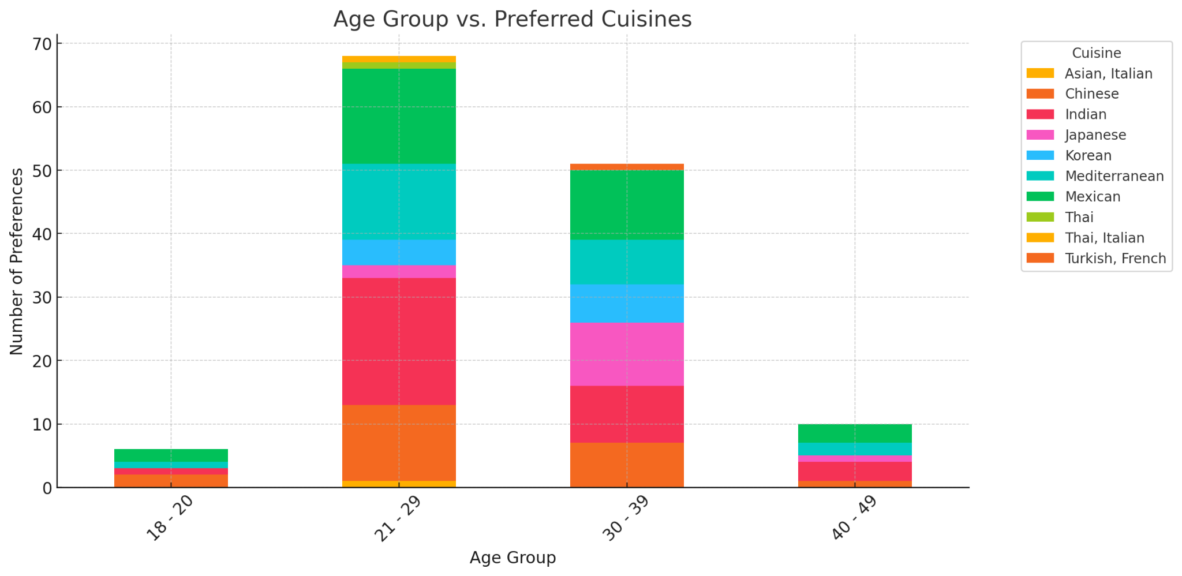

Key insights: • Indian and Mexican cuisines are consistently popular across all age groups. • Chinese cuisine is more favored by younger groups (18-29) but declines among older respondents.

Cross-tab Analysis 2 - Cuisine
Cuisine | Savory Pack (e.g., chips, nuts, crackers) | Sweet Pack (e.g., chocolates, cookies, pastries) | Variety Pack (both sweet and savory) | 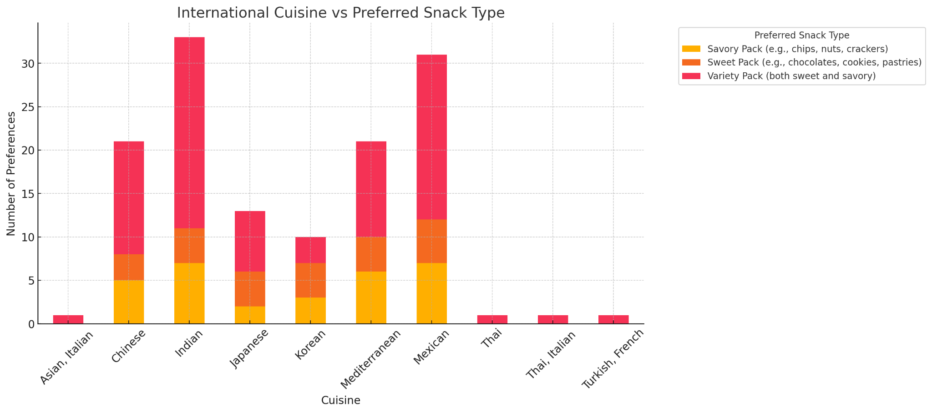
Asian, Italian | 0 | 0 | 1
Chinese | 5 | 3 | 13
Indian | 7 | 4 | 22
Japanese | 2 | 4 | 7
Korean | 3 | 4 | 3
Mediterranean | 6 | 4 | 11
Mexican | 7 | 5 | 19
Thai | 0 | 0 | 1
Thai, Italian | 0 | 0 | 1
Turkish, French | 0 | 0 | 1

Key Findings: • Variety packs seem to be the most popular across cuisines except Korean which seems to be preferred in a Sweet pack • Savory Snacks are a preference for Mediterranean, Mexican and Indian Cuisine Lovers • A separate pack for Savoury snacks for Mediterranean, Mexican and Indian Cuisine Lovers along with Variety pack could be a way forward for Snack Passport

Consumers' snack preferences appear to align with the flavor profiles of their favorite cuisines. Those who enjoy Chinese and Japanese cuisines tend to prefer variety packs that include both sweet and savory options, likely due to these cuisines’ balance of umami-rich and sweet snacks. Similarly, Indian cuisine enthusiasts show a strong demand for variety packs, as Indian snacks traditionally include both sweet (e.g., ladoos, jalebi) and savory (e.g., samosas, namkeen) items. • Sweet snacks are especially popular among Korean cuisine lovers, reflecting the global appeal of treats like Pepero, Choco Pies, and sweet rice cakes. • Mexican cuisine enthusiasts have a balanced preference for both sweet and savory snacks, mirroring the diversity of Mexican treats such as Takis, tortilla chips, and conchas. Insights: • Savory snack packs are the top choice for Mediterranean and Indian cuisine lovers. • Variety packs (sweet & savory) appeal most to Chinese, Japanese, and Indian cuisine fans. • Sweet snack packs are more popular among those who prefer Korean cuisine. • Mexican cuisine lovers show a balanced preference between sweet and savory snacks.

Cross-tab Analysis 3 - Age vs S
Subscription Types:
Option A: 5 premium snacks from one country, $15/month
Option B: 8 snacks from multiple countries, $20/month
Option C: 10 snacks (mix of popular and rare finds), $25/month
Option D: A customizable box where you select your preferred regions/snacks types, $30/month

Age | Option A | Option A,B | Option A, B, C, D | Option A, C | Option B | Option B, C | Option B, C, D | Option C | Option D
18 - 20 | 0 | 1 | 0 | 0 | 1 | 0 | 0 | 0 | 0
21 - 29 | 7 | 3 | 1 | 0 | 7 | 0 | 0 | 3 | 4
30 - 39 | 6 | 3 | 0 | 1 | 2 | 2 | 1 | 1 | 2
40 - 49 | 0 | 2 | 0 | 0 | 2 | 0 | 0 | 0 | 0

Key Findings: Early Career Adults (21-29 years) • Favor Option A and Option B equally which shows they do not want to spend on premium pricing Mid-Career Adults (30-39 years) • Although Option A is preferred, there seems to be a varied intrest in other subscription models too • Preference for variety suggests a willingness to explore a broad range of international snacks. • Young adults and older people tend to both prefer between Options A and B • Insight - Snack Passport should explore pricing options between $15 - $20 multiple country mix to cater to the target market

Conjoint Analysis
Snack Box Configuration Analysis: • The snack type (Sweet, Savory, Variety) plays a crucial role in customer preference, with Variety Packs appearing more favored. • The number of snacks per box (5, 7, or 10) also influences choices, where a mid-tier (7 snacks) might balance cost and variety. • Actionable Insight - Offering a Variety Pack with 7 snacks from multiple countries, priced at $15 to maximize appeal. | 

Pricing Sensitivity & Subscription Plan Preferences: • Lower prices ($10) generally increase attractiveness, but higher-priced options ($20) reduce preference, unless additional value is provided. • Free trials are widely preferred, but limited-time discounted trials (e.g., $5 off) might work for long-term retention. • Actionable Insight - Offer a $15/month subscription, provide a first-month discount (e.g., 10%), and consider introducing quarterly plans.

 | 